How to use this Spreadsheet
How to tailor this spreadsheet to the accreditation visit?
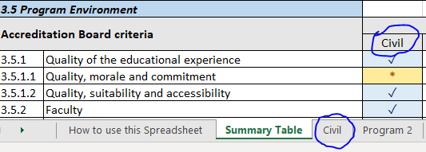 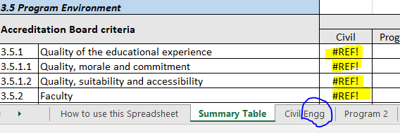 This spreadsheet is meant to support the visiting team in tracking their observations on all of the CEAB accreditation criteria. The overall template should be tailored to the visit by one individual before sharing with the rest of the team. This spreadsheet includes - Summary Table, designed to display all feedback from each program - 10 tabs meant to cover up to 10 programs to be reviewed during the Accreditation visit This template has program's names defaulted to "Program 1" to "Program 10" To log observation pertaining to the accreditation visit you will be participating in, you should start by replacing "Program 1" with the name of the first program, and all subsequent program tabs accordingly. Once this is done, you can start fill each individual program tab with your observations or comments: these will show in the Summary Table tab. NOTE: the Summary Table is populated automatically. Therefore, there should be no manual entry other than the program names in the headers. Only the first row of program names (criteria 3.1) needs to be entered. All headers for subsequent criteria will update accordingly. IMPORTANT: As the Summary Table gets populated through look up formulae, it is important that the name of the header in the Summary matches exactly the name of the Program tab. To avoid lengthy tab name/header, and for readability, we recommend that you do not include the full program name. As this is an internal working document designed for the visiting team, it does not need to be as formal. Example:

